Data engineering
Session | Date | Day | Topic | Assignments / Case Study | Assessment
 | 2023-02-21 | Tuesday
 | 2023-02-22 | Wednesday | Orientation
1 | 2023-02-23 | Thursday | Python Programming fundamentals, Concepts in Python Objects and Data Structure,Strings, Lists, Tuple, Dictionary
2 | 2023-02-24 | Friday | Working with Python Shell and Editor IDLE, Python Operators, Collections and Shell Overview of Methods and Modules, | Python 1
 | 2023-02-25 | Saturday
 | 2023-02-26 | Sunday
3 | 2023-02-27 | Monday | Loops and Conditional Statements, File handling,Math | Python 2
4 | 2023-02-28 | Tuesday | Object Oriented Programming
5 | 2023-03-01 | Wednesday | Error Detection,Generator / Iterators, Python Hyper HTTP-2 Framework,Unit Testing with PyTest | OOPS | MCQ - Python 1
6 | 2023-03-02 | Thursday | RDDMS - Introduction, Introduction to NoSQL, DDL | File Handling
7 | 2023-03-03 | Friday | DML, DQL - Query - Where clause, Order by
 | 2023-03-04 | Saturday
 | 2023-03-05 | Sunday
8 | 2023-03-06 | Monday | Joins, subquery | SQL 1
9 | 2023-03-07 | Tuesday | Functions - Aggregate functions, String, Date, Regular Expressions
10 | 2023-03-08 | Wednesday | Group by, Having clause |  | MCQ - Python 2
11 | 2023-03-09 | Thursday | SDLC , STLC | SQL 2
12 | 2023-03-10 | Friday | Agile, Scrum
 | 2023-03-11 | Saturday
 | 2023-03-12 | Sunday
13 | 2023-03-13 | Monday | Data Warehousing - Understanding, DWH process, Data Integration using Talend Open Studio and Pentaho Data integration tools | Case study - Agile, Scrum | Hackathon - Python
14 | 2023-03-14 | Tuesday | Big Data - tools
15 | 2023-03-15 | Wednesday | DWH System Design and structure, understanding ETL and Related Tools
16 | 2023-03-16 | Thursday | Introduction to Big Data; Big Data Pipeline, Examples of Big Data, 4V's of Big Data | Big Data - 1
17 | 2023-03-17 | Friday | Challenges of Traditional Systems (RDBMS and DWH), Features of Big Data, Distributed Systems |  | MCQ - SQL
 | 2023-03-18 | Saturday
 | 2023-03-19 | Sunday
18 | 2023-03-20 | Monday | Hadoop Installation; HDFS Architecture, Hadoop Core Components - HDFS, YARN, Mapreduce | Big Data - 2
19 | 2023-03-21 | Tuesday | MapReduce; Map Phase, Partioning, Shuffle and Sort Phase, Python for BigData Analysis with MapReduce, Distributed Processing in MapReduce
 | 2023-03-22 | Wednesday | Holiday Ugadi
20 | 2023-03-23 | Thursday | MapReduce Jobs, Hadoop MapReduce Job Work Interaction, Setting Up the Environment for MapReduce Development | Mapreduce
21 | 2023-03-24 | Friday | Hive Introduction Origin of Hive Hadoop Ecosystem, Hive Installation, Big Data ETL, Hive Architecture, Hive Characteristics and Features
 | 2023-03-25 | Saturday
 | 2023-03-26 | Sunday
22 | 2023-03-27 | Monday | Different Hive Tables and its Differences; Hive DDL, DML Commands, Different Hive Joins; Hive Partitions; | Hive Hadoop - 1 | MCQ - Hadoop, Big Data
23 | 2023-03-28 | Tuesday | Hive Bucketing, Working with different FileTypes - Avro, Parquet etc
24 | 2023-03-29 | Wednesday | Hive Bucketing, Working with different FileTypes - Avro, Parquet etc | Hive Hadoop - 2
25 | 2023-03-30 | Thursday | Overview of ETL solution using PowerCenter, Architecture, Cloud Data Management with Informatica, Informatica MDM, SOA, ICC, Designer interface |  | MCQ - Hive
26 | 2023-03-31 | Friday | Design data transformations, manage sources and targets definitions, Filter, Join, Aggregate, Categorize, Merge, and
 | 2023-04-01 | Saturday
 | 2023-04-02 | Sunday
27 | 2023-04-03 | Monday | Apply Expression logic without SQL, Monitor and Repair PowerCenter Sessions and Workflows, PowerCenter Repository,
28 | 2023-04-04 | Tuesday | Informatica Transformations – Aggregator / Router / Joiner / Rank Overview | Case Study - Informatica
29 | 2023-04-05 | Wednesday | Troubleshoot mapping problems, Leverage object reusability, Agile Data integration
30 | 2023-04-06 | Thursday | Python Language Libraries for DE, Basics of Matplotlib |  | MCQ - Informatica
31 | 2023-04-07 | Friday | Numpy, pandas, dask, pytyping
 | 2023-04-08 | Saturday
 | 2023-04-09 | Sunday
32 | 2023-04-10 | Monday | Pyspark, Spark Streaming | Python - 3
33 | 2023-04-11 | Tuesday | Working with GraphX, PySparkSQL/DataFrame Modelling
34 | 2023-04-12 | Wednesday | Understanding Spark Architecture / SparkConf / SparkContext / SparkFiles /SparkRDD
35 | 2023-04-13 | Thursday | Spark SQL, DATA FRAMES, creating Data Frames, manual inferring of schema, working with CSV files, reading JDBC tables | Pyspark
36 | 2023-04-14 | Friday | JSON support in Spark SQL, working with XML data, parquet files, Creating HiveContext
 | 2023-04-15 | Saturday
 | 2023-04-16 | Sunday
37 | 2023-04-17 | Monday | Level of Detail Calculations (LOD), Advanced Table Calculations using Scope and Direction, Index to Ratios, Advanced Mapping – (Layering, WMS – working with a Web Map Service, Distance Calculations etc.) | SQL - 3
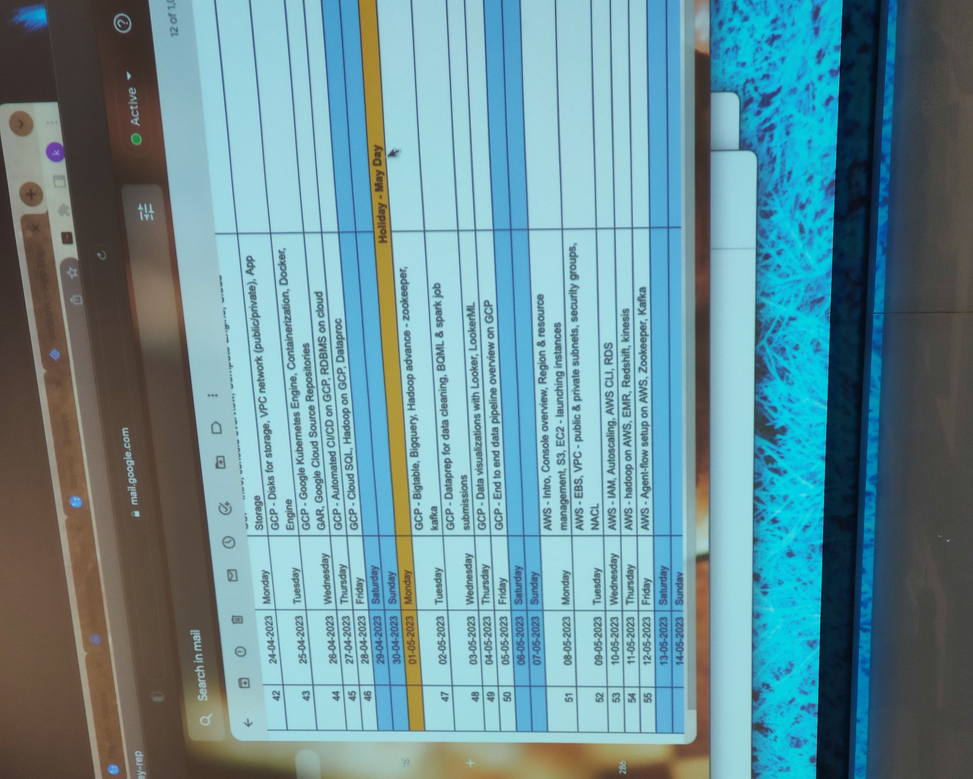
38 | 2023-04-18 | Tuesday | Data Table schema design/Data Model in data sources, Cross Database Joins
39 | 2023-04-19 | Wednesday | Order of execution (in which filters, calculated fields etc. are executed), Best Practices for Dashboard design |  | MCQ - Pyspark
40 | 2023-04-20 | Thursday | Comparison of Tableau with other visualizations tools, Admin overview | Case Study - Tableau
41 | 2023-04-21 | Friday | Remote API calls to third party programs - Python, R, Bash or similar programming languages, Tableau limitations & Support, Statistical modelling
 | 2023-04-22 | Saturday
 | 2023-04-23 | Sunday
42 | 2023-04-24 | Monday | GCP
43 | 2023-04-25 | Tuesday | GCP |  | MCQ - Tableau
44 | 2023-04-26 | Wednesday | GCP
45 | 2023-04-27 | Thursday | GCP
46 | 2023-04-28 | Friday | GCP
 | 2023-04-29 | Saturday
 | 2023-04-30 | Sunday
 | 2023-05-01 | Monday | Holiday - May Day
47 | 2023-05-02 | Tuesday | GCP
48 | 2023-05-03 | Wednesday | GCP
49 | 2023-05-04 | Thursday | GCP
50 | 2023-05-05 | Friday | GCP
 | 2023-05-06 | Saturday
 | 2023-05-07 | Sunday
51 | 2023-05-08 | Monday | AWS
52 | 2023-05-09 | Tuesday | AWS
53 | 2023-05-10 | Wednesday | AWS
54 | 2023-05-11 | Thursday | AWS
55 | 2023-05-12 | Friday | AWS
 | 2023-05-13 | Saturday
 | 2023-05-14 | Sunday
56 | 2023-05-15 | Monday | Capstone project
57 | 2023-05-16 | Tuesday | Capstone project
58 | 2023-05-17 | Wednesday | Final Presentation

